DASHBOARD
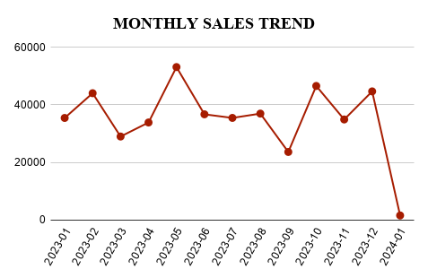
SALES DASHBOARD

TOTAL SALES | TOTAL QUANTITY SOLD | AVERAGE ORDER VALUE

456000 | 2514 | 456

PRODUCT CATEGORY BY REVENUE
CUSTOMER DEMOGRAPHICS

